ReadMeFirst
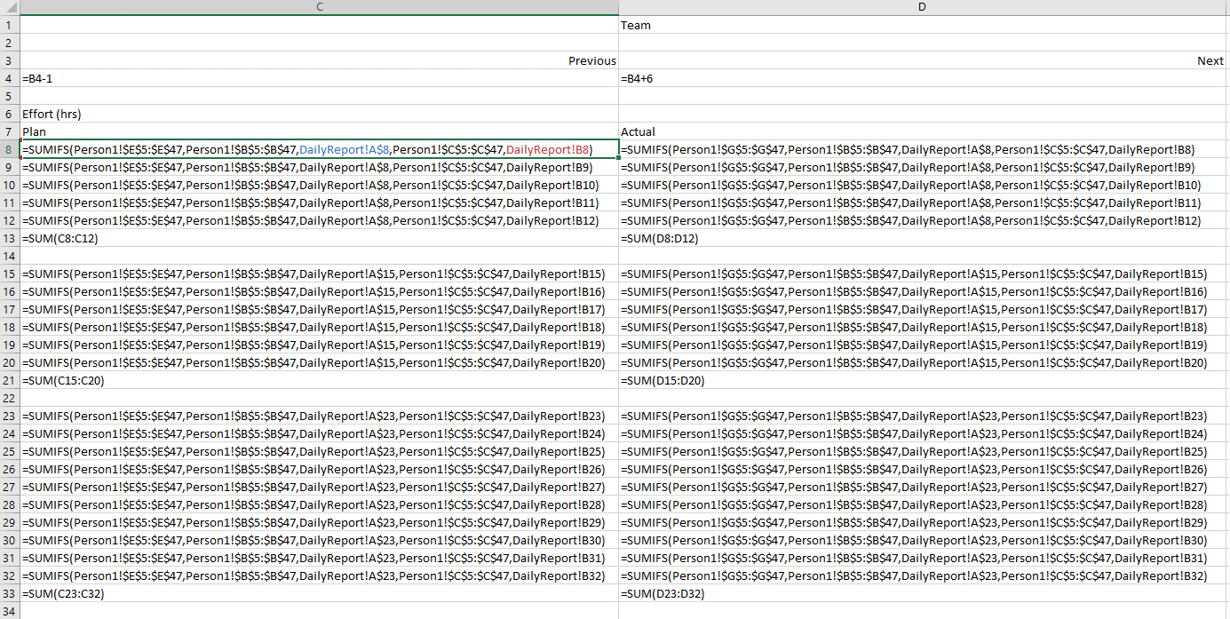
INFO 8440 Team and Individual Project Plan, Time, Effort, Status Reporting Workbook
*** This is a sample, and a template ****
*** Teams submitting a RACI workbook that is not based on this Template will receive, at best, an Adequate rating ***

Created by: | Bill Nixon |  | Version | 5

History Table:
 | Date | Version | Comments
 | Aug-17 | 1 | Created and published
 | 2019-10-17 | 2 | Added Actual RACI Columns, and Task Types
 | Dec-18 | 3 | Added Person Sheets, and Daily Report
 | Jan-21 | 4 | Created RACI Deliverables, and RACI Tasks sheets
 | Dec-22 | 5 | Renamed sheets. Added more documentation and guidance.

Sheets
ReadMeFirst | This sheet. Gives an overview of the entire workbook
RACI Deliverables | Required. The latest version of the RACI Deliverables for the team for this project. This sheet is cloned at the first of every class day, and then updated.
RACI Tasks | Optional. The latest version of the RACI Tasks for the team for this project. This sheet is cloned at the first of every class day, and then updated.
Dlvrbls Day 3-1 | Required. The RACI Deliverables sheet as of Week 3 Day 1 at start of class. This should never be changed. Comparing this to the latest sheet will show the RACI changes, and thus team decisions.
 | By the time that the project is finished, there must be one backup sheet for each of all but the last 2 days (Briefing/Presentation Days) of the Project
Tasks Day 3-1 | Optional. The RACI Tasks sheet as of Week 3 Day 1 at start of class. This should never be changed.
Person1 | The Daily Time log for Person1 of the Team. Always insert new lines at the base of the list, so that the message at the bottom (Row 47 in the sampe) always stays.
** More Daily Log sheets needed - one for each team member! ** These should be kept in separate workbooks during the project, and submitted separately for final submission **

Gantt | Reserved Sheet for a Ecel based Gantt of the RACI Deliverables Sheet.
 | For the PM Docs version of this workbook, the Gantt will have no data, and thus no date range graphics, but it will have Excel formulas to create the graphics.

Guidance:
1) | Update RACI data only in the RACI sheet!
2) | The Activity Numbers in the Person Sheets are the code number for the Activity from the RACI
3) | All Required Deliverables for the Final Project submission must be provided in the Delvierables sheets. RFI and PM Docs Deliverable are optional.
4) | Every Deliverable Item must have a Responsible and Accountable person. It is allowable to be A,R, but someone else should do a Quality Check on all person's work.
5) | Formatting is left to you to do. This workbook is given to you as a guide. It must look different than this sample when submitted as INFO 8440 work.
6) | Save your work often. Save different versions of this file as backups.
7) | All dates must be formatted as DD-MMM or DD-MMM-YY 11-Jan-17 or 11-Jan
8) | The RACI-Actual Columns should only be filled in when the Actual differs from the Plan.
9) | Vlookup is used to echo the names of the deliverables into the Tasks sheets and the Gantt sheet
10) | Sheets are created to support filtering, not grouped reporting
11) | The Actual IsBuilt Date in RACI Deliverables indicates the date when the original creator has received a Quality OK rating from the team.
 | Usually, the component is then included in the final report and/or presentation
12) | In the RACI Deliverables and RACI Tasks sheets, from Row 7 and down, THERE MUST BE NO MERGED CELLS!
13) | Projected Effort data in the RACI+ Deliverables is expected in the Phase 3 Project, but optional in Phase 1
14) | The Deliverable Grouping is optional data.
15) | Minutes of Team Meetings are not required in this course. Instead, this RACI must be kept up to date, and backup sheets done every class day.
16) | This RACI+ workbook will be required as a weekly submission for later weeks in each project. Professor will provide details at that time.

Gantt sheet
TaskID | Task | Start date | End Date | Duration
J | Requests for Information with NDA (included as an Appendix) | 2022-01-20 | 2022-01-21 | 1
A | Letter of Transmittal | 2022-01-27 | 2022-01-28 | 1
B | Cover Page | 2022-01-27 | 2022-01-28 | 1
C | Page Headers, Footers and Numbering | 2022-01-27 | 2022-01-28 | 1
D | TOC | 2022-01-27 | 2022-01-28 | 1
E | Document History | 2022-01-27 | 2022-01-28 | 1
F | Executive Summary | 2022-01-27 | 2022-01-28 | 1
G | Assumptions | 2022-01-27 | 2022-01-28 | 1
H | Conclusions | 2022-01-27 | 2022-01-28 | 1
I | Background and overview of client | 2022-01-27 | 2022-01-28 | 1
K | Project Scope Document | 2022-01-27 | 2022-01-28 | 1
X | Initial Project Scope in an Appendix, Changes to Scope in a Report Section | 2022-01-27 | 2022-01-28 | 1
Y | Gantt Chart | 2022-01-27 | 2022-01-28 | 1
BZ | Final RFI report | 2022-01-28 | 2022-02-17 | 20
CA | RACI+, Documentation, Backup Sheets | 2022-01-28 | 2022-02-18 | 21
CB | Time and Effort Reporting | 2022-01-28 | 2022-02-17 | 20
W | Known Client Requirements | 2022-01-29 | 2022-02-06 | 8
AU | Interview and/or survey of 6 OHT CPs | 2022-02-01 | 2022-02-03 | 2
L | AS-IS persons / roles / actors and interactions of Executive Decision Making operations | 2022-02-03 | 2022-02-07 | 4
M | AS-IS principles of OHT and/or Executive Decision Making operations | 2022-02-03 | 2022-02-07 | 4
N | To-Be persons / roles / actors and interactions of Executive Decision Making operations | 2022-02-03 | 2022-02-07 | 4
T | Business Challenges | 2022-02-03 | 2022-02-10 | 7
U | Current Brands Involved and their Statuses | 2022-02-03 | 2022-02-06 | 3
BF | VP's Written Briefing on Data Lakes, Data Marts, Data Warehouses, including SWOT | 2022-02-03 | 2022-02-06 | 3
BG | VP's Written Briefing on ERP. TPS and Query tools, with SWOT | 2022-02-03 | 2022-02-06 | 3
BH | VP's Written Briefing on Executive and Analytical Dashboards | 2022-02-03 | 2022-02-06 | 3
V | Executive Dashboard Operation Process - 3+ Risks and Possible Mitigations | 2022-02-04 | 2022-02-10 | 6
AA | USE CASE Diagram(s) for all involved persons, roles, actors, and systems showing their interactions | 2022-02-04 | 2022-02-07 | 3
AJ | ERD Diagram | 2022-02-04 | 2022-02-08 | 4
O | Executive Dashboard annotated list of elements for the dashboard, | 2022-02-05 | 2022-02-08 | 3
P | Possible Future Analysis and Development for Executive Decision Making Process | 2022-02-05 | 2022-02-08 | 3
Q | Measuring Success and Failure in Changing the Executive Decision Making Process | 2022-02-05 | 2022-02-08 | 3
R | Probable Benefits of Changing the Executive Decision Making Process | 2022-02-05 | 2022-02-08 | 3
AD | TrackR Data Gen metric Data Sources List and DB Schema | 2022-02-05 | 2022-02-10 | 5
AE | TrackR Data Gen metric Data Sources Data Overview / Profile | 2022-02-05 | 2022-02-10 | 5
AM | Cockburn templates for all identified interactions | 2022-02-05 | 2022-02-08 | 3
AN | List, References and General Details of Suggested Metrics | 2022-02-05 | 2022-02-09 | 4
AO | Metric 1 - Data needed, Interpretation, Value to Decision Makers | 2022-02-05 | 2022-02-09 | 4
AP | Metric 2 - Data needed, Interpretation, Value to Decision Makers | 2022-02-05 | 2022-02-09 | 4
AQ | Metric 3 - Data needed, Interpretation, Value to Decision Makers | 2022-02-05 | 2022-02-09 | 4
AR | Metric 4 - Data needed, Interpretation, Value to Decision Makers | 2022-02-05 | 2022-02-09 | 4
AS | Metric 5 - Data needed, Interpretation, Value to Decision Makers | 2022-02-05 | 2022-02-09 | 4
AT | Metric 6 - Data needed, Interpretation, Value to Decision Makers | 2022-02-05 | 2022-02-09 | 4
AV | Data Listing of 6 OHT VPs Measurements of Business Success | 2022-02-05 | 2022-02-10 | 5
AW | Data Listing of 6 OHT VPs attitudes toward change, and cooperation in management | 2022-02-05 | 2022-02-10 | 5
AX | Data Listing of 6 OHT VPs visions for a better managed OHT | 2022-02-05 | 2022-02-10 | 5
AY | Data Listing of 6 OHT VPs Response to Meeting 3 times per week | 2022-02-05 | 2022-02-10 | 5
AZ | Interview and/or survey of 6 OHT VPs | 2022-02-05 | 2022-02-10 | 5
BA | Data Listing of 6 OHT VPs Monthly Finance Reports Used | 2022-02-05 | 2022-02-10 | 5
BP | General configuration of Executive Dashboard using PowerBI | 2022-02-05 | 2022-02-10 | 5
BQ | Executive Dashboard Metric 1 using TrackR Data Generator Data | 2022-02-05 | 2022-02-10 | 5
BR | Executive Dashboard Metric 2 using TrackR Data Generator Data | 2022-02-05 | 2022-02-10 | 5
BS | Executive Dashboard Metric 3 using TrackR Data Generator Data | 2022-02-05 | 2022-02-10 | 5
BT | Executive Dashboard Metric 4 | 2022-02-05 | 2022-02-10 | 5
BU | Executive Dashboard Metric 5 | 2022-02-05 | 2022-02-10 | 5
BV | Executive Dashboard Metric 6 | 2022-02-05 | 2022-02-10 | 5
AF | Executive Dashboard Style Guide for Navigation Principles, Colours, Fonts | 2022-02-06 | 2022-02-10 | 4
AL | Agile Development Document | 2022-02-06 | 2022-02-09 | 3
BI | suggested plan background to implement an Executive Dashboard with 5, at minimum, metrics | 2022-02-06 | 2022-02-10 | 4
BJ | suggested plan vision to implement an Executive Dashboard with 5, at minimum, metrics | 2022-02-06 | 2022-02-10 | 4
BL | suggested plan needs / requirements to implement an Executive Dashboard with 5, at minimum, metrics | 2022-02-06 | 2022-02-10 | 4
BM | suggested plan actions to implement an Executive Dashboard with 5, at minimum, metrics | 2022-02-06 | 2022-02-10 | 4
BN | suggested plan deliverables to implement an Executive Dashboard with 5, at minimum, metrics | 2022-02-06 | 2022-02-10 | 4
BO | suggested plan resources to implement an Executive Dashboard with 5, at minimum, metrics | 2022-02-06 | 2022-02-10 | 4
BB | Listing of 6 OHT VPs Knowledge of Computer Based methods of Report Circulation | 2022-02-07 | 2022-02-11 | 4
BC | Listing of 6 OHT VPs Computer Skills, Dashboard Tech Understanding | 2022-02-07 | 2022-02-11 | 4
BD | Listing of 6 OHT VPs Preferred learning style | 2022-02-07 | 2022-02-11 | 4
BE | Listing of 6 OHT VPs Preferred ways to implement new concepts | 2022-02-07 | 2022-02-11 | 4
BW | Executive Dashboard menu / system map | 2022-02-07 | 2022-02-12 | 5
AB | Gap Analysis Document | 2022-02-08 | 2022-02-10 | 2
AC | Guidance on Using the Dashboard - Video or Text+Graphics | 2022-02-08 | 2022-02-11 | 3
AG | Executive Dashboard Navigation Guide using Text, Wireframes and Mockups for Moving forward | 2022-02-08 | 2022-02-10 | 2
AH | Executive Dashboard Navigation Guide using Text, Wireframes and Mockups for Moving backward | 2022-02-08 | 2022-02-10 | 2
AI | Executive Dashboard Navigation Guide using Text, Wireframes and Mockups for Changing Time Frames | 2022-02-08 | 2022-02-10 | 2
S | Detailed References | 2022-02-10 | 2022-02-17 | 7
AK | Pseudo-code Document | 2022-02-10 | 2022-02-12 | 2
BK | suggested VP training plans | 2022-02-11 | 2022-02-15 | 4
BY | Powerpoint Presentation | 2022-02-13 | 2022-02-17 | 4
Z | Persona For Executive Dashbaord | 2022-02-15 | 2022-02-17 | 2
BX | Merged Final Report | 2022-02-15 | 2022-02-17 | 2

 |  |  | 44610.00

